Guidelines
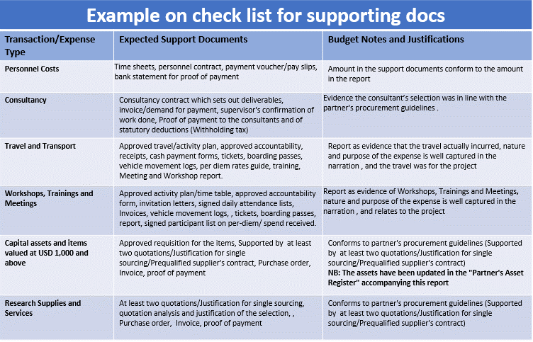
Budget workbook guidelines

(Please refer to the guidelines below to help you complete the budgets for your projects)

Contents | Purpose | Your action
Summary Budget | This is to give you a quick glance of the total budget in summary. | This is linked to the other sheets and automatically updated with the information from other sheets as they are inputed .
Detailed Budget | This is the budget total costing all costs to be incurred in the implementation of this project. | Budget for all costs under the following categories as required for all projects (Personnel, Renovations and Minor Civil Works, Research Supplies and Services, Travel and Transport and Operational costs).
Budget Notes | This is for additional information to support your budget. | Provide a narrative clarification/ additional information to support your budget of each budget item demonstrating the necessity of the costs and how they relate to the action

Proposal Budget Categories

Budget Category | Description | Comment
Personnel | Coordination allowance is accepted for the Lead Applicant up to a max U$1200 per month for applicants who are not receiving any renumeration from their host institution and up to USD 500 for applicants who are receiving renumeration from their host insitition. Personnel costs should not exceed 36% of the total budget | Should not exceed 36% of the budget
Capital Assets | This is a listing of asset items whith a unit cost of USD 1,000 and above.Note that computers are categorised as capital expenditure regardless of the amount
Renovations and Minor Civil Works | Renovations to existing facilities and , or minor civil works ..etc. | Should not exceed 10% of the budget, unless justified
Research Supplies and Services | Project consumables, consultancuy for special outsources services, labour(wgaes)etc
Travel and Transport | Vehicle fuel,repairs and maintenance. Travel tickets, ground transfers, accommodation, subsistence allowance (per diem) for project related activities…etc
Operational Costs | Office print, copy, scan, telephone, internet connectivity charges, bank charges directly related to the project. May include coordination allowance of USD 100 per month for up to 2 other project team members from the host institution who are central to facilitate reporting/ admnistration and overall project implementation. | Should not exceed 15% of the budget
Income | Disbursments from icipe, interest earned on Rsif funds, re-bank of un-utilized balances on working advances..etc

